Sheet1
 |  |  | CMS COMPUTERS LIMITED | DEPT: R & D | TITLE: - FORMAT FOR BUG REPORT NO.: - RND/FO/017 PAGE NO.: 1/2 |  |  |  |  | LOCATION: - 7.17
 |  |  | C/O KAYCEE INDUSTRIES, |  |  |  |  |  |  | ISSUED ON: 01/09/06
 |  |  | 70,LAKE ROAD, BHANDUP WEST MUMBAI

 |  |  |  |  | REVISION: - 1
 |  |  | PROJECT/PRODUCT NAME:UNO_NEW
 |  |  | PROJECT/PRODUCT NUMBER:
 |  |  | FIRMWARE / SOFTWARE VERSION:
 |  |  | BUG REPORT No: 1
 |  |  | BUG REPORT DATE:16/04/2019
 |  |  | IDENTIFIED BY: Sadhana B.
 |  |  | Puplisb V:-
 |  |  | API service:-
 | Sr | Master | BUG DESCRIPTION | EXPECTED ACTION | BUG CLASS | PREFERRED | Bug Status | Developer Comment | FIXED ON | REMARK
 |  | Name |  |  | A / B / C | MAKE
 |  |  | Ver

 | 18 | Employee | Switch modules-->Core configuration-->system access configuration-->Employee-->Creat New Employee--> Enter all the details & click on Save button.--> geting failed error msg. Unable to Add new Employee.-ref fig-1 | Should not get error msg , allow to save new employee. |  |  |  | There is no Issue From our publish while adding |  | Not resolved
 | 19 | Employee | Switch modules-->Core configuration-->system access configuration-->Employee-->Delete Employee--When click on delete button on INDEX page, geting error mesge as "FAILED Object reference not set to an instance of an object OK ".Unable to delete an employee. | Should allow to delete employee |  |  |  | There is no Issue From our publish while Delete |  | Not resolved

 | 40 | Sentinal | Switch modules-->Sentinal-->Transaction-->Controller-->Add/Edit controller-->If select 84 and 86 in reader details getting error msg as "Model State Failed". | NO ERROR FOUND |  |  |  |  |  | Not resolved

 | 52 | Sentinal | Switch modules-->Sentinel-->Transactions-->Employee access configuration-->Index-->click on delete for record getting server error msg | NO DELETE REQUIRED

 |  |  | Fig-1
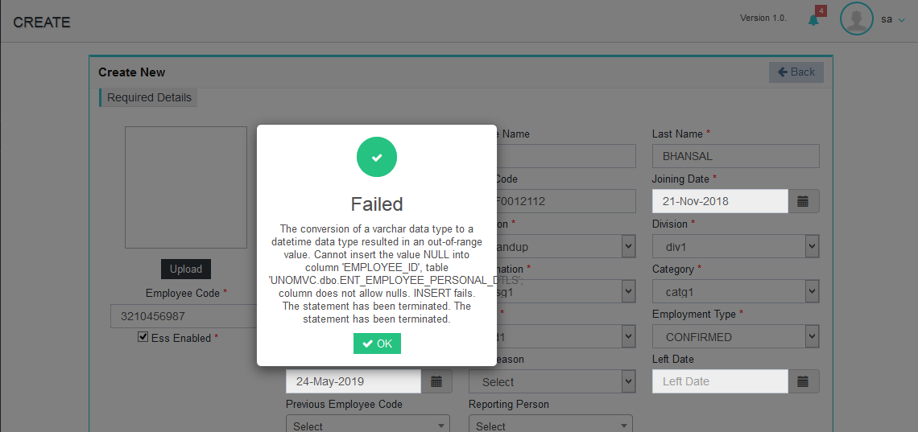

 | SR.NO | Page Name | BUG VER 1.0 |  |  |  | Status | Comment Developer

 | 14 | Sentinal | Time Zone,Building Access setting and Employee pin configuration pages are missing. | NOT DONE

 | 20 | Tempus | Switch Modules-->Tempus-->Transactions-->Lave File-->Click on add new option getting server error msg in LEAVE FILE page. | NOT DONE
 | 21 | Tempus | Switch Modules-->Tempus-->Transactions-->Leave Rule-->Click on add new command getting server error msg in LEAVE Rule page. | NOT DONE

 | 24 | Employee Master | Switch module-->Core configuration-->System Access Configuration-->Employee Hierarchy-->Click on View buton getting server error msg. in action column on Index Listing page.

2400
1100

